Sheet2
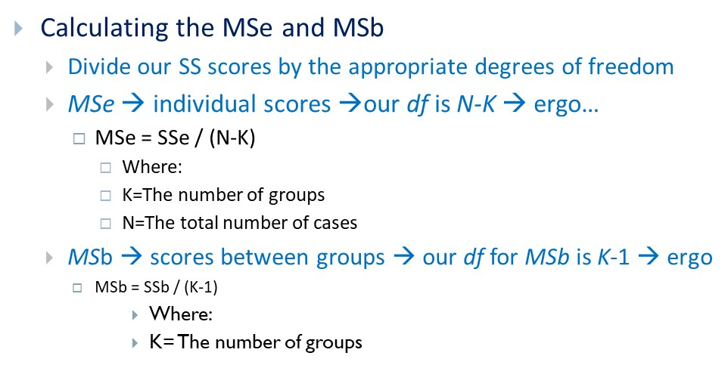
SSb

Sse

