Sheet4
 | Cold | Warm | Hot
Tide | 4 | 7 | 10 |  |  | SS | df | MS | F | p-value
 | 5 | 9 | 12 |  | deterg | 20.166666667 | 1 | 20.166666667 | 9.8108108108 | 0.005758440
 | 6 | 8 | 11 |  | temp | 200.33333333 | 2 | 100.16666667 | 48.72972973 | 0.000000054
 | 5 | 12 | 9 |  | deterg x temp | 16.333333333 | 2 | 8.1666666667 | 3.972972973 | 0.037224336
avg--> | 5 | 9 | 10.5 | 8.1666666667 | within/error | 37.0000 | 18 | 2.0555555556
 |  |  |  |  | total (corrected) | 273.83333333 | 23
Gain | 6 | 13 | 12
 | 6 | 15 | 13
 | 4 | 12 | 10
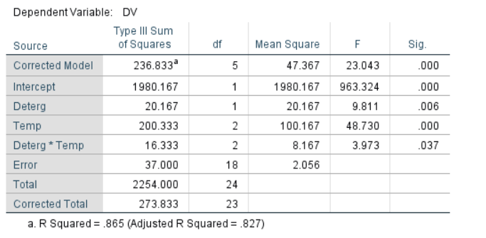
 | 4 | 12 | 13
avg--> | 5 | 13 | 12 | 10

avg--> | 5 | 11 | 11.25 | 9.0833333333

